Sheet1
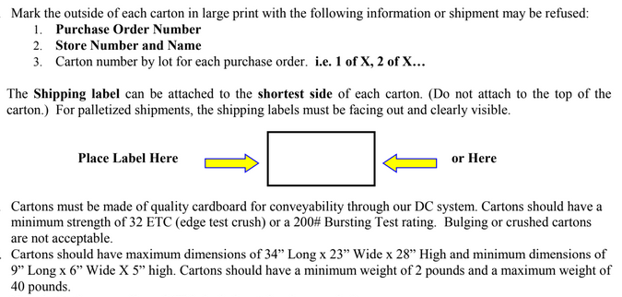
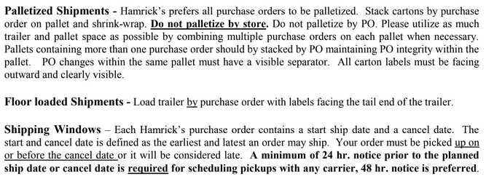
HAMRICKS

PICK TICKET CHECK LIST |  |  |  | PO# 257972
 |  |  |  | PT# 1745561-1745580
TICKETING

ROUTING |  |  | SHIP VIA: ROUTING

CARTON MARKING

PO # MUST BE ON ALL BOXES
STORE# and STORE NAME
STYLE
COLOR
QTY

CUSTOMER STYLE | OUR STYLE | QTY | PT #
WMH3211J-42 | WMH3211J-42 | 6 | 1758756
WMH3211J-42 | WMH3211J-42 | 6 | 1758757
WMH377-42 | WMH377-42 | 6 | 1758757
WMH377-42 | WMH377-42 | 12 | 1758757
WMH428-42 | WMH428-42 | 12 | 1758757
WMH460-42 | WMH460-42 | 6 | 1758757
WMH3211J-42 | WMH3211J-42 | 6 | 1758758
WMH377-42 | WMH377-42 | 6 | 1758758
WMH377-42 | WMH377-42 | 6 | 1758758
WMH428-42 | WMH428-42 | 6 | 1758758
WMH377-42 | WMH377-42 | 6 | 1758759
WMH377-42 | WMH377-42 | 6 | 1758759
WMH3211J-42 | WMH3211J-42 | 6 | 1758760
WMH377-42 | WMH377-42 | 6 | 1758760
WMH377-42 | WMH377-42 | 12 | 1758760
WMH460-42 | WMH460-42 | 6 | 1758760
WMH3211J-42 | WMH3211J-42 | 6 | 1758761
WMH377-42 | WMH377-42 | 6 | 1758761
WMH377-42 | WMH377-42 | 12 | 1758761
WMH428-42 | WMH428-42 | 6 | 1758761
WMH3211J-42 | WMH3211J-42 | 6 | 1758762
WMH377-42 | WMH377-42 | 6 | 1758762
WMH377-42 | WMH377-42 | 6 | 1758762
WMH3211J-42 | WMH3211J-42 | 6 | 1758763
WMH377-42 | WMH377-42 | 6 | 1758763
WMH377-42 | WMH377-42 | 12 | 1758763
WMH3211J-42 | WMH3211J-42 | 6 | 1758764
WMH3824E-42 | WMH3824E-42 | 6 | 1758764
WMH3211J-42 | WMH3211J-42 | 6 | 1758765
WMH377-42 | WMH377-42 | 6 | 1758765
WMH377-42 | WMH377-42 | 6 | 1758765
WMH3824E-42 | WMH3824E-42 | 6 | 1758765
WMH3211J-42 | WMH3211J-42 | 6 | 1758766
WMH428-42 | WMH428-42 | 6 | 1758766
WMH3211J-42 | WMH3211J-42 | 6 | 1758767
WMH3211J-42 | WMH3211J-42 | 6 | 1758768
WMH377-42 | WMH377-42 | 6 | 1758768
WMH377-42 | WMH377-42 | 12 | 1758768
WMH3211J-42 | WMH3211J-42 | 6 | 1758769
WMH377-42 | WMH377-42 | 6 | 1758769
WMH377-42 | WMH377-42 | 12 | 1758769
WMH428-42 | WMH428-42 | 6 | 1758769
WMH3824E-42 | WMH3824E-42 | 6 | 1758770
WMH428-42 | WMH428-42 | 12 | 1758770
WMH3211J-42 | WMH3211J-42 | 6 | 1758771
WMH377-42 | WMH377-42 | 6 | 1758771
WMH377-42 | WMH377-42 | 6 | 1758771
WMH3211J-42 | WMH3211J-42 | 6 | 1758772
WMH377-42 | WMH377-42 | 6 | 1758772
WMH377-42 | WMH377-42 | 12 | 1758772
WMH3211J-42 | WMH3211J-42 | 6 | 1758773
WMH377-42 | WMH377-42 | 6 | 1758773
WMH377-42 | WMH377-42 | 12 | 1758773
WMH428-42 | WMH428-42 | 6 | 1758773
WMH460-42 | WMH460-42 | 6 | 1758773
WMH3211J-42 | WMH3211J-42 | 6 | 1758774
WMH428-42 | WMH428-42 | 6 | 1758774
WMH3211J-42 | WMH3211J-42 | 6 | 1758775
WMH377-42 | WMH377-42 | 6 | 1758775
WMH377-42 | WMH377-42 | 12 | 1758775

 |  | TOTAL

 |  | 426

